BOQ
AYN MUSK FOR FURNITURE CO. L.L.C |  |  |  |  | Quotation
OFFICE NO 133, KML Business Centrre, Al Qouz 1 |  |  |  |  | Date : | 2026-05-25
Meydan Road , Dubai |  |  |  |  | BOQID # : | P3487-1
Dubai, PO BOX 294568 |  |  |  |  | Customer ID : | 1347
Phone: +971 4 529 9697 Mob No: +971 50 427 2128
Quotation For: |  |  |  |  | Quotation valid until: | 2026-06-04
Name |  |  |  |  | Prepared by:
Company Name
Street Address
City, ST ZIP Code
Phone
Email
Comments or Special Instructions:
SALES PERSON |  | DELIVERY DATE

ITEM NO. | DESCRIPTION | PICTURE | UNIT COST | MARGIN | UNIT PRICE | QTY | AMOUNT
1 | L SHAPE EXECUTIVE TABLE 2400x750x750mm "* Side return size: 1200x400x650mm * Table top: 18mm Thick melamine faced MDF with PVC edge lipping, Provided with a Gromet. * Modesty Panel (400mm Height): 18mm Thick melamine Faced MDF with PVC edge lipping. * Under structure: Loop leg made of 55x55mm x 1.5mm Thick MS tube with Electrostatic powder coated. * Side storage: Made by using 18mm thick melamine faced MDF with PVC lipping. Provided with 3 lockable drawers and open shelf. * Hardware: 4"" Pull Handles and Autoclose (Normal) sliding rail. * Rate without Fabric Partition" | 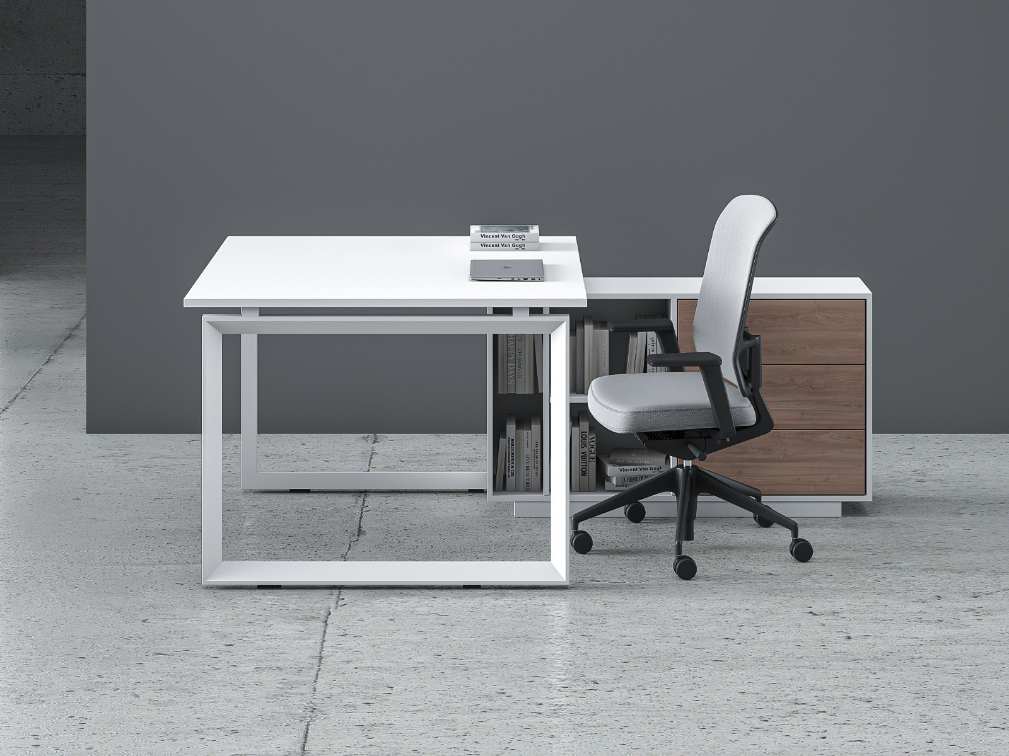 |  |  |  | 2
2 | "Medium height Storage Cabinet 2000x450x800mm (450mm Depth): Made by using 18mm thick Melamine faced MDF with 2/0.6mm PVC edgeband. Providing swing shutters with Soft close hinges, 4"" pull handle and lock. " | 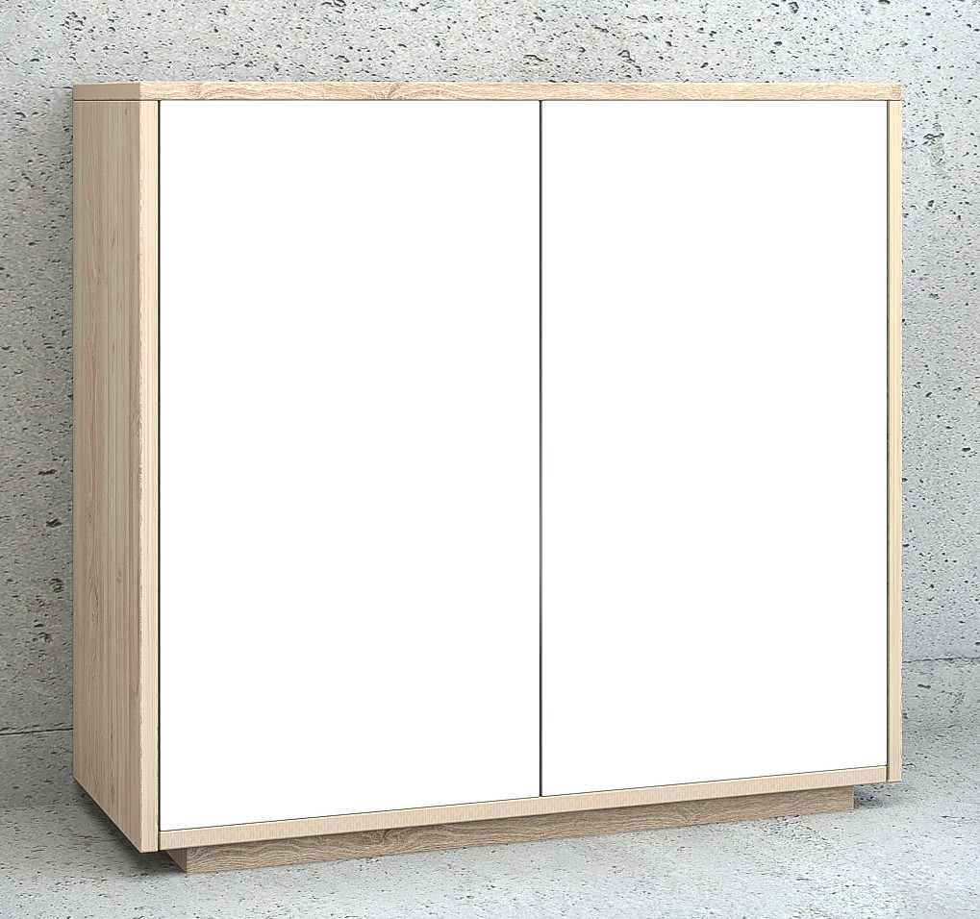 |  |  |  | 2
 |  |  |  |  | SUBTOTAL (AED) |  | 0
 |  |  |  |  | DELIVERY AND INSTALLATION |  | 0
 |  |  |  |  | VAT (AED) |  | 0.00
 |  |  |  |  |  |  | 0
 |  |  |  |  | TOTAL (AED) |  | 0

Design Approval & Client Responsibility All final design approvals—including but not limited to dimensions, materials, colors, layouts, and product specifications—are the sole responsibility of the client. BOSQ provides detailed quotations and design documentation for client review and confirmation prior to production. We strongly advise clients to carefully review all details before providing written or signed approval. Once approved, BOSQ will proceed with production based on the confirmed specifications, and any changes or errors identified thereafter may result in additional costs and timeline delays, which will be borne by the client. BOSQ will not be held liable for discrepancies in dimensions or specifications that were approved by the client.
TERMS & CONDITIONS GOVERNING OUR OFFER: 1. Validity: The offer is valid for a period of 10 days from the date of the quotation unless previously withdrawn. 2. The above quote is prepared based on the Furniture selection done by Customer as per the specifications mentioned OR discussed. 3. For the Furniture endorsed with powder coated metals, the cost of any such material would be applicable based on the selection done from the brand Catalogues available with us 4.50% Advance & balance before delivery. 5. In case material dispatched are not accepted at site due to non-readiness of site,Non-availability of space, then the demurrage charges or additional transport charges shall be borne by the customer. 6. Delivery Lead time for customized orders will vary depending on scope of customization; standard designs would require upto 30-45 days lead time for delivery from the date of order confirmation and Advance payment 7. Transportation, Delivery and Unloading charges would be extra. 8. In the event of any unforeseen price fluctuations in the raw materials cost, the company reserves the right to revise the quoted value after appropriate intimation to customer 9. Once the goods are ready for delivery, further holding upto maximum 3 days only permissible beyond which 1 % of the order value would be collected as warehouse charges per day 10. We are dealing with customized furnitures and hence Material procurement will be done after 50% of advance payment hence No refund/cancellation possible 2days after the advance payment 11. Arrangement of manpower to carry the furniture inside any space would be at customer’s sole responsibility. However if kept at places with direct sunlight OR transported to locations with dry weather conditions, furniture is prone to develop defects; necessary

